产品清单与图片
SKU | Category | Product Name | Product Image | Product Specs | Product Type | Included Accessories | Best Seller / Featured
PP-100 | Handwriting Notebook | Paper-Pen Digital Meeting Assistant (Vertical / Leather) | 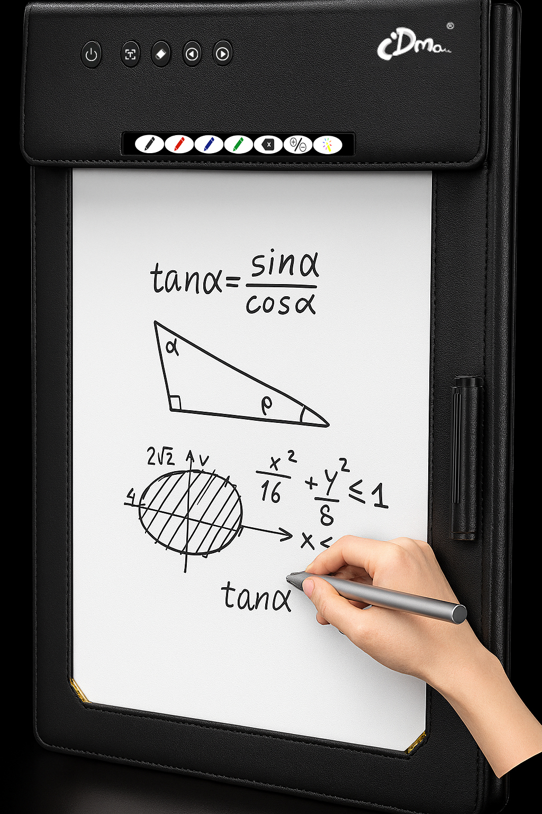 | Paper-Pen Digital Meeting Assistant (Vertical). Ideal for high-frequency meetings, OCR & recording-linked notes. Meeting & knowledge capture. Dual-zone paper: public area visible to all participants; private area visible only to writer(Recommended paper: pre-printed with a divider line — top half = Public (visible to all), bottom half = Private (writer only).) | Main Product (Notebook) | Digital pen, replacement nibs, USB charging cable | ★ Best Seller / Flagship
PP-110 | Handwriting Notebook | Paper-Pen Digital Meeting Assistant (Horizontal A4 / Leather) | 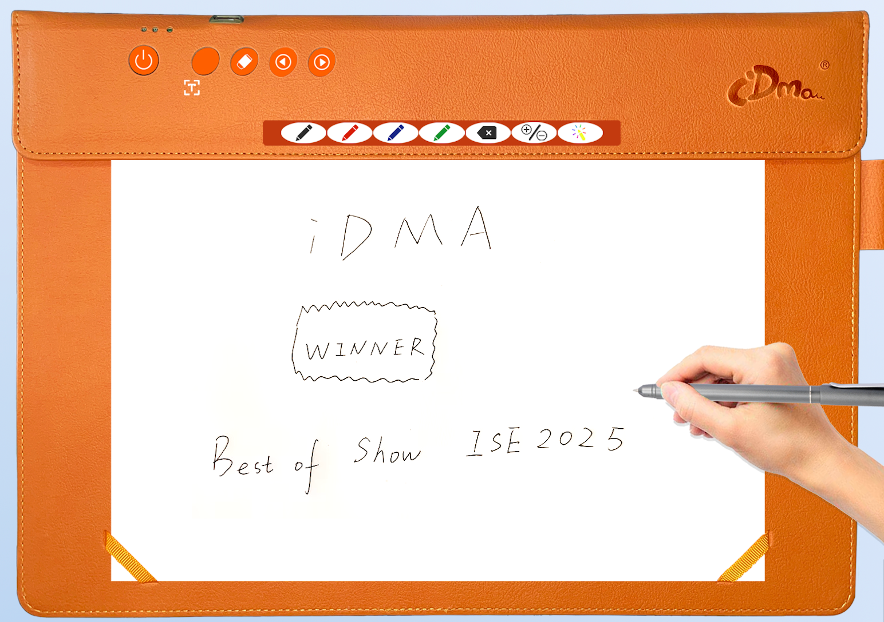 | Paper-Pen Digital Meeting Assistant (Horizontal). Ideal for desktop annotation, training & hybrid office. Desktop & presentation. hole writing area is public — visible to all participants | Main Product (Notebook) | Digital pen, replacement nibs, USB charging cable | ★ Best Seller
PP-120 | Handwriting Notebook | Paper-Pen Digital Meeting Assistant (Vertical / Polymer) | 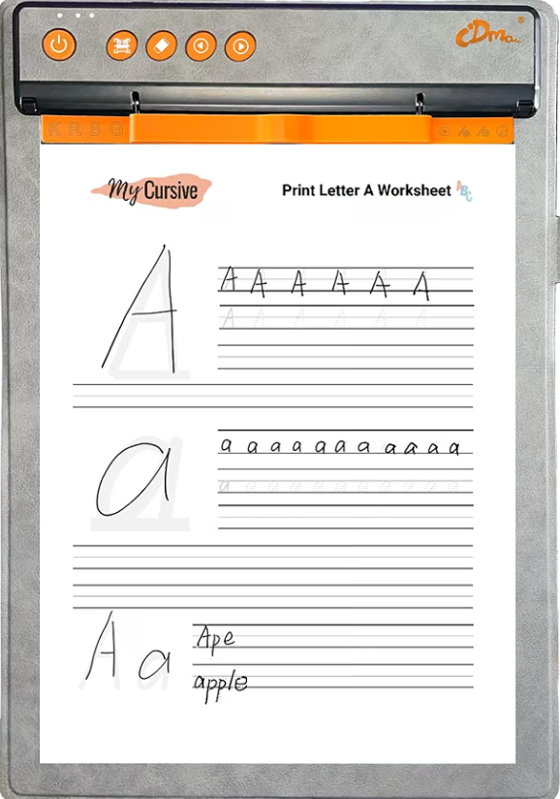 | Paper-Pen Digital Meeting Assistant (Vertical A4). Ideal for math, science & remote tutoring. A4 teaching derivation. Dual-zone paper: public area visible to all participants; private area visible only to writer(Recommended paper: pre-printed with a divider line — top half = Public (visible to all), bottom half = Private (writer only).) | Main Product (Notebook) | Digital pen, replacement nibs, USB charging cable | ★ Best Seller
GW-210(LITE) | Gateway | Screencasting Gateway | 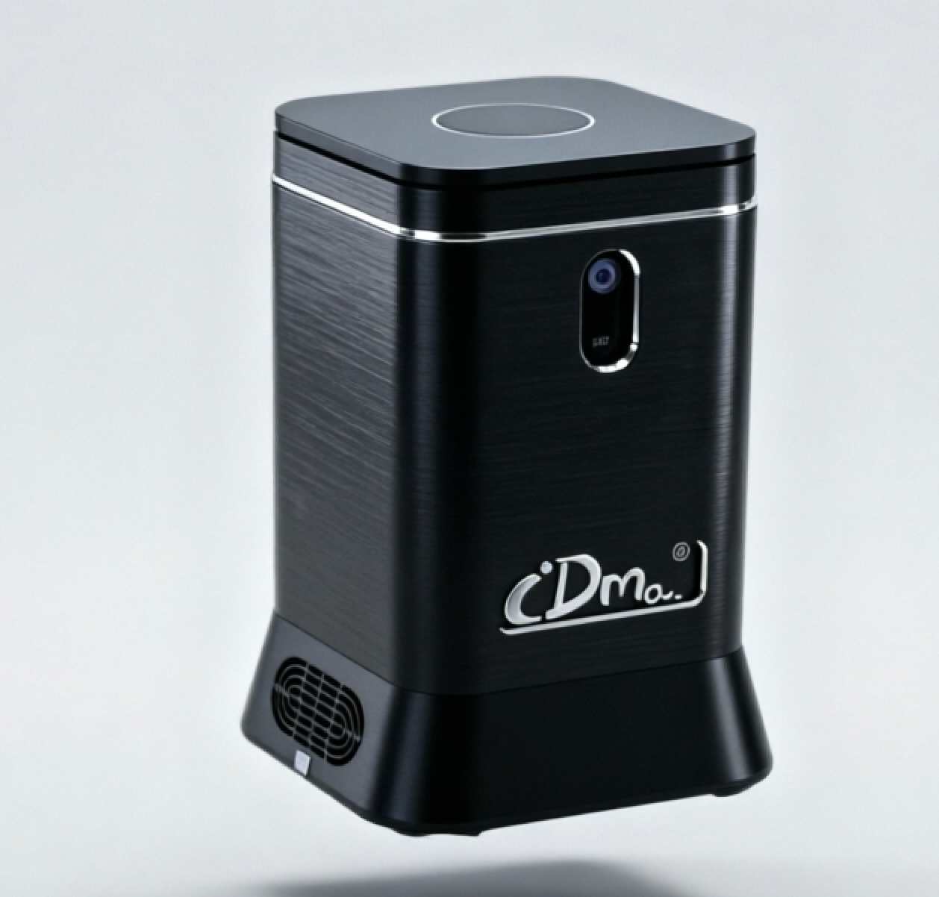 | Meeting collaboration gateway (screencasting gateway). Supports Pad online annotation, 1080p single display, local collaboration with no installation. Corresponds to Gateway . Interface:Single hdmi | Main Product (Gateway) | Power adapter, HDMI cable | High-end variant
GW-400(PRO) | Gateway | Edge Gateway (AI Agent Embedded) | 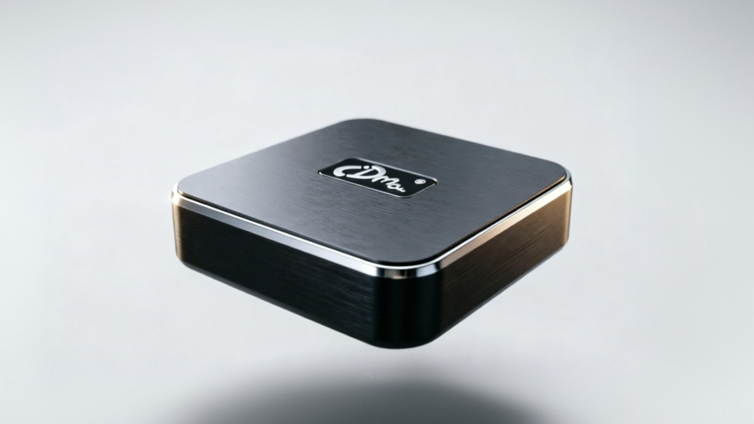 | Edge gateway (AI Agent embedded). Main meeting room hybrid collaboration, supports 2 Bluetooth AI boards, Pad 8 online • 2 annotators, 4K dual display, WebRTC dynamic visuals. Corresponds to Gateway Pro. Interface:dp+hdmi | Main Product (Gateway) | Power adapter, HDMI cable | ★ Best Seller / Flagship
GW-500(MAX) | Gateway | Edge Gateway (AI Agent Embedded) | 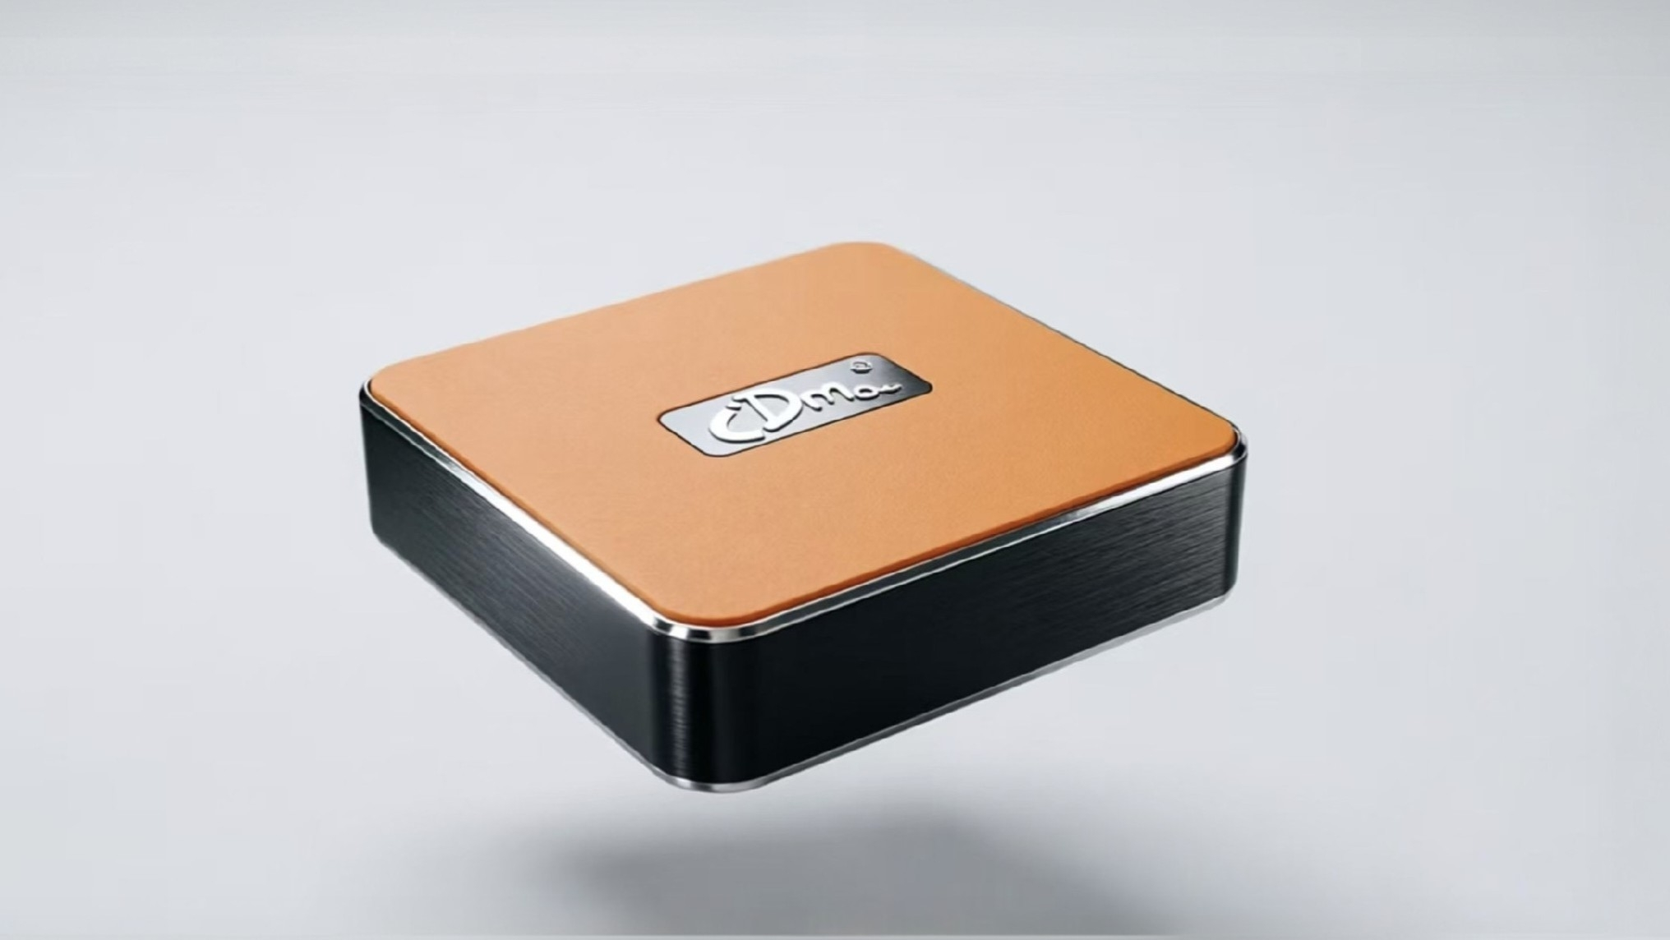 | Edge gateway (AI Agent embedded). Large room collaboration hub, supports 4 Bluetooth AI boards, Pad 12 online • 4 mobile annotators, high-quality full preview, multi-user review, meeting bridge. Corresponds to Gateway Max. Interface:Dual hdmi | Main Product (Gateway) | Power adapter, HDMI cable | High-end variant

